Insert page
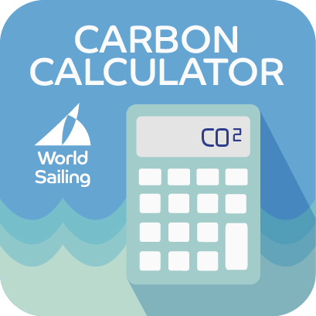
 |  |  | UNIT | FACTOR
Energy
Boat fuel | Coach/Support RIBs | Petrol
 |  | Diesel
 | Race officals | Petrol
 |  | Diesel
Transport |  | Petrol
 |  | Diesel
Vehicles owned or operated by the organisation
Cars |  | Petrol
 |  | Diesel
 |  | Hybrid
 |  | Electric
Vans |  | Diesel
 |  | Petrol
HGVs
Refrigerated HGVs
Electricity
North America | Mains supply | Catering | kWh
 |  | Facilities | kWh
 |  | Operations | kWh
 | Electric support vessels |  | kWh
 | Temporary power |  | kWh
Heat
onsite heat |  |  | kWh
district heat |  |  | kWh
Travel
Rail |  | National rail | passenger.km
 |  | International rail | passenger.km
 |  | Underground | passenger.km
Bus |  | Local bus | passenger.km
 |  | Coach | passenger.km
Ferry |  | Foot passenger | passenger.km
 |  | Car passenger | passenger.km
Car |  | Diesel
 |  | Petrol
 |  | Hybrid
 |  | Electric
Flights | Short haul | Economy | passenger.km
 |  | Business | passenger.km
 | Long haul | Economy | passenger.km
 |  | Premium economy | passenger.km
 |  | Business | passenger.km
 |  | First | passenger.km
Supply
Vans |  | Diesel
 |  | Petrol
 |  | Electric
HGVs
Refrigerated HGVs
Freight flights |  | Short haul | tonne.km
 |  | Long haul | tonne.km
Freight train |  |  | tonne.km
Sea tanker |  |  | tonne.km
Cargo ships |  |  | tonne.km
Organisational working
Hours worked per full time employee (FTE) |  |  | per FTE Working Hour
Water
Mains supply
Hose
Catering
Facilities
Drinking fountains
Accomodation
SELECT COUNTRY | Staff |  | Room per night
 | Athletes |  | Room per night
 | Volunteers |  | Room per night
 | Spectators |  | Room per night
Waste
Glass |  | Open loop | tonnes
 |  | Closed loop | tonnes
 |  | Combustion | tonnes
 |  | Landfill | tonnes
Food |  | Combustion | tonnes
 |  | Composting | tonnes
 |  | Landfill | tonnes
 |  | Anaerobic digestion | tonnes
Metal |  | Open loop | tonnes
 |  | Closed loop | tonnes
 |  | Combustion | tonnes
 |  | Landfill | tonnes
Plastic |  | Closed loop | tonnes
 |  | Combustion | tonnes
 |  | Composting | tonnes
 |  | Landfill | tonnes
Board |  | Closed loop | tonnes
 |  | Combustion | tonnes
 |  | Composting | tonnes
 |  | Landfill | tonnes
Paper |  | Open loop | tonnes
 |  | Closed loop | tonnes
 |  | Combustion | tonnes
 |  | Landfill | tonnes
Commerical and industrial |  | Combustion | tonnes
 |  | Landfill | tonnes
Construction |  | Open loop | tonnes
 |  | Closed loop | tonnes
 |  | Combustion | tonnes
Mineral oil |  | Closed loop | tonnes
 |  | Combustion | tonnes
Plasterboard |  | Closed loop | tonnes
Tyres |  | Closed loop | tonnes
Wood |  | Closed loop | tonnes
 |  | Combustion | tonnes
 |  | Landfill | tonnes

Summary
GHG emissions
Summary
 | kgCO2e
Energy | 0
Vehicles owned/operated by organisation | 0
Electricity | 0
Heat | 0
Travel | 0
Supply | 0
Organisational working - Staff | 0
Water | 0
Waste | 0
Accommodation | 0

GRAPHS automatically generated

